Feuil1
BACK END

Actions | Méthode | Nom de la méthode | Requêtes SQL | Route
Afficher la listes des contrats | get | getAllContracts | SELECT * FROM public.contrat ORDER BY id_contrat ASC
Supprimer un contrat | delete | deleteContract
Créer un contrat | post | createContract
Afficher la liste de tous les utilisateurs de son entreprise | get | getUsers
Exporter le contrat
Afficher son profil | get | getProfil |  | router.get('/profile', async (req, res)=>{ let {username} = req.user let [result, error] = await userController.getProfile(username) if(!result){ res.status(400).send(error) }else{ res.status(200).json(result) } })
Modifier les infos de son profil (mail et mot de passe) | update | updateProfil |  | router.get('/updateprofile', async (req, res)=>{ let {username} = req.user let [result, error] = await userController.updateUser(username) if(!result){ res.status(400).send(error) }else{ res.status(200).json(result) } })
Page Login : se connecter | post |  |  | router.post("/login", async (req, res)=>{ let {email, password} = req.body let [user, error] = await userController.loginUser(email, password) if(!user){ res.status(400).send(error) }else{ res.status(200).json(user) } })
Page Register : s’inscrire | post |  |  | router.post("/register", async (req, res)=>{ console.log(req.body) const [user, error] = await userController.addUser(req.body) if(!user){ res.status(400).send(error) }else{ res.status(200).json(user) } })
Se déconnecter | post |  |  | router.post("/logout", async (req, res)=>{ let {username} = req.user let [user, error] = await userController.logoutUser(username) if(!user){ res.status(400).send(error) }else{ res.status(200).json(user) } })
importer des documents salarié
Télécharger les documents salarié

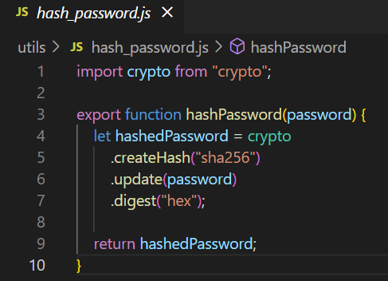
Usercontroller
validate mail |  | if (!isEmail(email)) { return [false, "invalid email"]; }
check if the email is already used |  | let user = await User.findOne({email}); if (user) { return [false, "email already used"]; }
check if user is already used |  | user = await User.findOne({username}); if (user) { return [false, "username already used"]; }
hash the password |  | const clearPassword = password password = hashPassword(password)
create the token |  | const token = jwt.sign( { username, email, password }, SECRET, { expiresIn: "720h", } )

Middleware
verifyToken |  | export function verifyToken(req, res, next){ let token = req.headers["authorization"]; if (!token) { return res.status(403).send("Forbidden"); } // console.log(req.headers) token = token.split(" ")[1] try { const decoded = jwt.verify(token, SECRET); req.user = decoded; } catch (err) { return res.status(401).send("Unauthorized"); } return next(); }
verifyRole |  | export async function verifyRole(req, res, next, roleName){ let {username} = req.user let [role, error] = await getUserRole(req.user.username) if (role !== roleName){ return res.status(500).send("You are not " + roleName) } return next() }

Usermodel

